Data Validation
DON'T DRAG AND DROP CELLS!
It will destroy the whole spreadsheet!
Data Validation
Set me up first!

Classes | These are some recommended ones
General Costume
Hair/Makeup
Photoshoots/Modelling
Roaming
Supplies/Equipment

 | Put in act numbers, or other categories you want to use that you either spend money or make money from

Classic Routine
Showgirl Number
Jazz Routine

Any items here and below won't be in the dropdown

About Me
My name is Sammy Sparkles and I am a performer from Perth, Australia

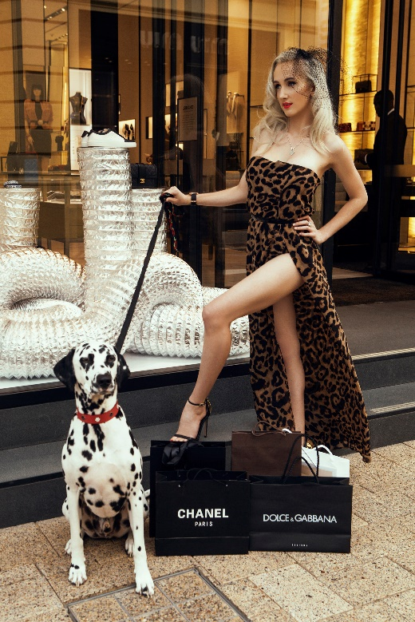
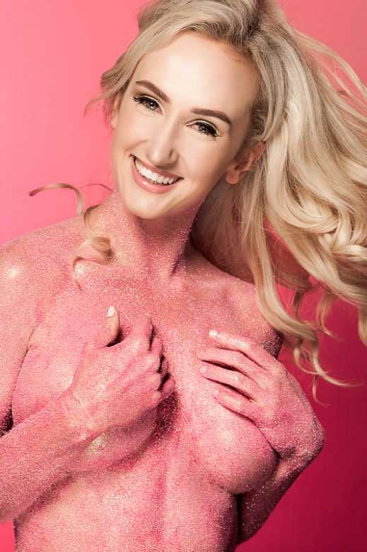

https://www.sammysparklesburlesque.com/

If you have found this super helpful and wish to say thank you, feel free to donate a couple dollars via my patreon

https://www.patreon.com/Sammysparklesburlesque
Or follow me on Instagram! That helps too :)

https://www.instagram.com/sammysparklesburlesque/

 | Thanks for reading and I hope you enjoy!

